Tabelle1
NTC Resistor

 | Constans:
 | B-Constant | 3977 |  | Temperature | Resistance
 | R at 25°C | 100000 |  | 0 | 339004.2085
 |  |  |  | 5 | 260939.20544
 |  |  |  | 10 | 202715.94559
 |  |  |  | 15 | 158869.9821
 |  |  |  | 20 | 125547.02527
 | Formulars: |  |  | 25 | 100000
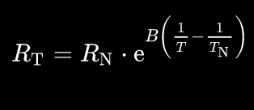
 |  |  |  | 30 | 80251.451786
 |  |  |  | 35 | 64864.408792
 |  |  |  | 40 | 52785.200532
 |  |  |  | 45 | 43234.540383
 |  |  |  | 50 | 35631.319373
 |  |  |  | 55 | 29538.792232
 |  |  |  | 60 | 24626.238652
 | 0 °C + 273,15 = 273,15 K |  |  | 65 | 20641.417436
 |  |  |  | 70 | 17390.614028
 |  |  |  | 80 | 12525.297956
 |  |  |  | 100 | 6849.387231
 |  |  |  | 150 | 1944.1118805
 |  |  |  | 200 | 720.08580656
 |  |  |  | 250 | 322.47586356
 |  |  |  | 300 | 166.14299422

Voltage Divider

 | Constants: |  | Temperature | Voltage |  | Imax [mA] | 2.8298416372
 | VCC (ntc+) | 3.30 | 0 | 0.0097057622155 |  | I at 30°C [mA] | 0.040614658907
 | R9 | 1000 | 5 | 0.012598343171 |  | d(mV)/dT at 30°C | 1.742966475
 |  |  | 10 | 0.016199026495 |  | mV/ADCstep | 0.732421875
 |  |  | 15 | 0.02064177375 |  | min Tres at 30°C | 0.42021569864
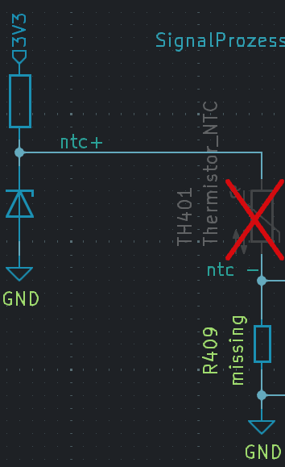
 |  |  | 20 | 0.026077262528
 |  |  | 25 | 0.032673267327
 |  |  | 30 | 0.040614658907
 |  |  | 35 | 0.050102932077
 |  |  | 40 | 0.061355167729
 |  |  | 45 | 0.074602334994
 |  |  | 50 | 0.090086845259
 |  |  | 55 | 0.10805928325
 |  |  | 60 | 0.12877426316
 |  |  | 65 | 0.15248539102
 |  |  | 70 | 0.17943935939
 |  |  | 80 | 0.24398723123
 |  |  | 100 | 0.42041498309
 |  |  | 150 | 1.1208813163
 |  |  | 200 | 1.9185089415
 |  |  | 250 | 2.4953196432
 |  |  | 300 | 2.8298416372

Signal Prozessing

 | Constans |  |  |  |  | Temperature | Voltage | Imax | 0 | mA
 | Gain | 2 | Vairables |  |  | 0 | -0.78058847557 | I at 30°C | 0 | mA
 | Voff | 0.4 | R3 | 72500 |  | 5 | -0.77480331366 | d(mV)/dT at 30°C | 3.48593295 | mV/°C
 | VCCoff (5V) | 3.3 | R4 | 10000 |  | 10 | -0.76760194701 | mV/ADCstep | 0.732421875 | mV
 | R1 | 1000 |  |  |  | 15 | -0.7587164525 | minTempResoltion at 30°C | 0.21010784932 | °C
 | R2 | 10000 |  |  |  | 20 | -0.74784547494
 | ADC Resul [bit] | 12 |  |  |  | 25 | -0.73465346535
 | ADC Vref | 3 |  |  |  | 30 | -0.71877068219
 |  |  |  |  |  | 35 | -0.69979413585
 |  |  |  |  |  | 40 | -0.67728966454
 |  |  |  |  |  | 45 | -0.65079533001
 |  |  |  |  |  | 50 | -0.61982630948
 |  |  |  |  |  | 55 | -0.58388143349
 |  |  |  |  |  | 60 | -0.54245147368
 |  |  |  |  |  | 65 | -0.49502921796
 |  |  |  |  |  | 70 | -0.44112128122
 |  |  |  |  |  | 80 | -0.31202553753
 |  |  |  |  |  | 100 | 0.040829966183
 |  |  |  |  |  | 150 | 1.4417626326
 |  |  |  |  |  | 200 | 3.037017883
 |  |  |  |  |  | 250 | 4.1906392864
 |  |  |  |  |  | 300 | 4.8596832745

